Personal Financial Statement
Personal Financial Statement of:

Date: |  |  | Start below in Assets

Assets | Amount in Dollars
Cash - checking accounts: | $0.00 |  | Instructions Complete all Grey Cells Step 1. Complete Section 1 - Assets •Liquid funds on deposit •Notes Receivable •Stock owned in privately held companies (excluding RE entities) •Personal property Step 2. 2. Complete Tab 2 - Real Estate Owned •Real Estate Owned Schedule
Cash - savings accounts:
Certificates of deposit:
Life insurance: (cash surrender value)
Brokerage Accounts & Retirement Funds: (i.e. Stocks, Bonds, Equities, IRAs, 401k etc.)
Total Liquid Assets: | $0.00
Notes & contracts receivable: | $0.00
Stock in Privately Held Companies (Excluding Real Estate Companies): | $0.00
Real Estate: (current 'As-Is' Market Value) | $0.00
Other Assets and Personal property: (autos, jewelry, etc.) | $0.00
TOTAL ASSETS: | $0.00

Liabilities | Amount in Dollars
Current Debt: (Credit cards, Student Loans, etc.) | $0.00 |  | Step 3. Complete Section 2 - Liabilities •Credit Card Debt •Notes payable (Installment loans) •Unpaid Taxes •Other Liabilities Step 4. Complete attestation, print to PDF, sign, & date
Notes payable: | $0.00
Taxes payable: | $0.00
Real estate mortgages: | $0.00
Other Member's equity share in Real Estate: | $0.00
Other liabilities: | $0.00
TOTAL LIABILITIES: | $0.00

NET WORTH: | $0.00
TOTAL LIABILITIES + NET WORTH: | $0.00

Balance Sheet

1. ASSETS - Details
Liquid funds available to you now | Accounts can be: Checking, Savings, Brokerage, Retirement, Life Insurance (cash value only)
Name of Depository | Current Balance | Pledged as Collateral? | Account Owner |  | Type of Account

Total: | $0.00

Notes & Contracts Held - Money owed to you. (List Name of Debtor - from Whom Owing to You) | Balance Owed to you | Original Amount | Original Date | Monthly Payment | Maturity Date | History / Purpose

Total: | $0.00 | $0.00 |  | $0.00

Stock in Privately Held Companies - Company Name (Exclude Real Estate related entities) | Est. Market Value

 | $0.00

Balance Sheet

Details
2. LIABILITIES - Details

Credit & Charge Card Debt
Name of Card / Creditor | Amount Due

Total: | $0.00
Notes Payable (Include Auto Loans, Student loan debt, Installment Loans and Private Party Note Makers)
Name of Creditor | Current Balance Due

Total: | $0.00

Unpaid Taxes (Real Estate and/or Income)
Due and Payable To | Amount Due

Total: | $0.00

Other Liabilities
Name of Creditor | Amount Owing | Secured by

Total: | $0.00

Mortgage / Real Estate Loans Payable
Complete Tab 2 - Real Estate Owned | Original Note Amount Due | Current Mortgage+HELOC Balance Outstanding | Monthly Payment
See Schedule of Real Estate Owned | $0.00 | $0.00 | $0.00

Schedule of All Real Estate Owned |  |  |  |  |  |  | Borrower: | 0 |  |  | Date: | 0
Property # | Complete Location Address | Description of Property | Purchase Date | Current 'As-Is' Market Value | Original Cost | Name of Mortgage Lender (include private parties) | Original Note Amount Due | Current Mortgage + HELOC Balance Outstanding | Total Monthly Payment | Maturity Date of 1st Mortgage | Vested Title Owner | Borrower's % of Ownership | Equity in Real Estate | Borrower's Equity | Other Member's Equity (Liabilities) | Comments
1 |  |  |  |  |  |  |  |  |  |  |  |  | $0.00 | $0.00 | $0.00
2 |  |  |  |  |  |  |  |  |  |  |  |  | $0.00 | $0.00 | $0.00
3 |  |  |  |  |  |  |  |  |  |  |  |  | $0.00 | $0.00 | $0.00
4 |  |  |  |  |  |  |  |  |  |  |  |  | $0.00 | $0.00 | $0.00
5 |  |  |  |  |  |  |  |  |  |  |  |  | $0.00 | $0.00 | $0.00
6 |  |  |  |  |  |  |  |  |  |  |  |  | $0.00 | $0.00 | $0.00
7 |  |  |  |  |  |  |  |  |  |  |  |  | $0.00 | $0.00 | $0.00
8 |  |  |  |  |  |  |  |  |  |  |  |  | $0.00 | $0.00 | $0.00
9 |  |  |  |  |  |  |  |  |  |  |  |  | $0.00 | $0.00 | $0.00
10 |  |  |  |  |  |  |  |  |  |  |  |  | $0.00 | $0.00 | $0.00
11 |  |  |  |  |  |  |  |  |  |  |  |  | $0.00 | $0.00 | $0.00
12 |  |  |  |  |  |  |  |  |  |  |  |  | $0.00 | $0.00 | $0.00
13 |  |  |  |  |  |  |  |  |  |  |  |  | $0.00 | $0.00 | $0.00
14 |  |  |  |  |  |  |  |  |  |  |  |  | $0.00 | $0.00 | $0.00
15 |  |  |  |  |  |  |  |  |  |  |  |  | $0.00 | $0.00 | $0.00
16 |  |  |  |  |  |  |  |  |  |  |  |  | $0.00 | $0.00 | $0.00
17 |  |  |  |  |  |  |  |  |  |  |  |  | $0.00 | $0.00 | $0.00
18 |  |  |  |  |  |  |  |  |  |  |  |  | $0.00 | $0.00 | $0.00
19 |  |  |  |  |  |  |  |  |  |  |  |  | $0.00 | $0.00 | $0.00
20 |  |  |  |  |  |  |  |  |  |  |  |  | $0.00 | $0.00 | $0.00
 |  |  | Totals: | $0.00 | $0.00 |  | $0.00 | $0.00 | $0.00 |  |  | Totals: | $0.00 | $0.00 | $0.00

Real Estate
Complete Tab 2 - Real Estate Owned | Current 'As-Is' Market Value | Mortgage/HELOC Balance Outstanding | Original Cost | Equity in Real Estate | Borrower Share of Equity | Other Member's Share of Real Estate Equity
See Schedule of Real Estate Owned - Tab 2 | $0.00 | $0.00 | $0.00 | $0.00 | $0.00 | $0.00

Other Assets & Personal property (autos, jewelry, etc.) | Market Value | Amount Owing | Original Cost | Owner of Record

Total: | $0.00 | $0.00 | $0.00

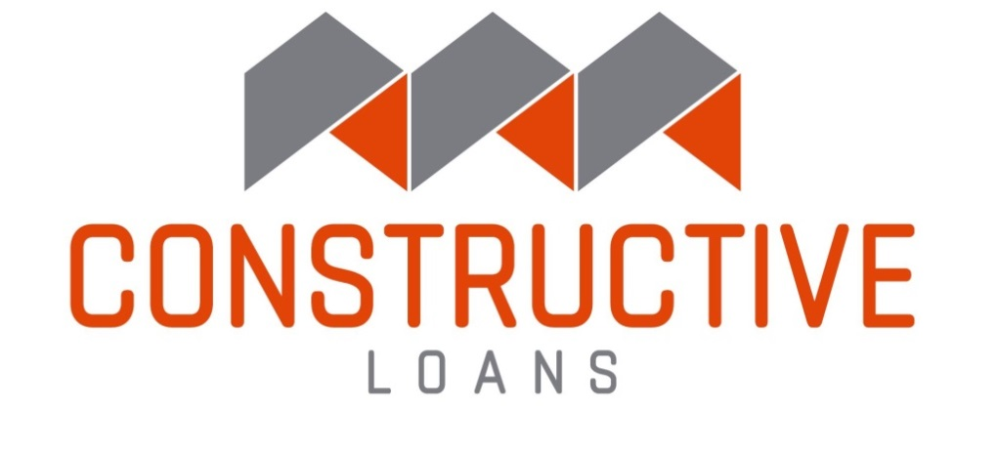

For the purpose of procuring credit from time to time, I/We furnish the foregoing as a true and accurate statement of my/our financial condition.
The undersigned hereby forever holds harmless, releases and discharges Constructive Loans, LLC ("Constructive Loans") and its Representatives from and against any and all liability, loss or expense suffered by the Undersigned, resulting directly or indirectly from, or in any way related to actions taken by Constructive Loans in connection herewith, including but not limited to: (1) the disclosure of information hereunder, (2) Constructive Loans’s evaluation of the undersigned, or (3) Constructive Loans’ evaluation of any proposed extension of credit.
The undersigned understands and acknowledges that (1) this document is being utilized in connection with an application for a loan, and (2) it is a Federal crime, punishable by fine or imprisonment, or both, to knowingly make any false statements in connection with an application for a loan, as applicable under provisions of Title 18, United States Code, Section 1014.
Authorization is hereby given to the Lender to verify in any manner it deems appropriate any and all items indicated on this statement. The undersigned also agrees to notify the Lender immediately in writing of any significant adverse change in such financial condition.

Print Name: __________________________________________________________________________________________________

Date: ________________________________________________________________________________________________________

Signature:

